Clinical Trials
Main
 | Direct TNF inhibitors

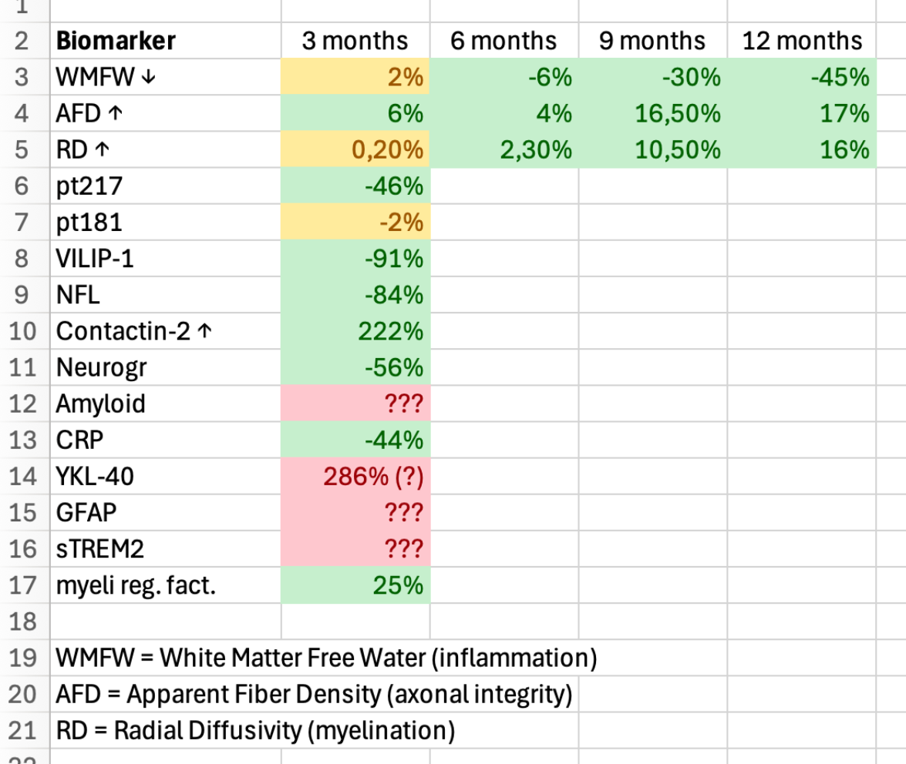
 |  | Phase I Study (XPro1595) n=20 NCT03943264 |  |  | Biomarkers released in press releases
 |  | A Biomarker-directed Study of XPro1595 in Patients With Alzheimer's - ClinicalTrials.gov

 |  | Primary Endpoint | number of Treatment-Emergent AE throughout 12 weeks of treatment
 |  | Indication | Alzheimer's Disease
 |  | Duration | 12 weeks
 |  | Study Sites | 5 Australia
 |  | Study Arms
 |  |  | 0.3mg/kg XPro1595 subcutaneous injection
 |  |  | 0.6mg/kg XPro1595 subcutaneous injection
 |  |  | 1.0mg/kg XPro1595 subcutaneous injection
 |  | Results
 |  |  | Company failed to disclose cognition endpoints
 |  |  | ----------------------------------------------------------------------------------------------------------------->

 |  | Phase II randomized, double-blind, placebo-controlled Study (MINDFuL/XPro1595) n=201 NCT05318976
 |  | A Study of XPro1595 in Patients with Early Alzheimer's Disease with Biomarkers of Inflammation - ClinicalTrials.gov

 |  | Primary Endpoint | EMACC - Early and Mild Alzheimer's cognitive composite
 |  | Indication | Alzheimer's Disease
 |  | Duration | 24 weeks
 |  | Study Sites | Australia, Canada, Czechia, France, Germany, Poland, Spain, United Kingdom
 |  | Study Arms
 |  |  | XPro1595 1.0mg/kg subcutaneous injection
 |  |  | Placebo
 | >June | Results

 |  | Phase II Open-label Extension Study (XPro1595) n=11 NCT05522387
 |  | Study Details | An Open-Label Extension of XPro1595 in Patients With Alzheimer's Disease | ClinicalTrials.gov

 |  | Primary Endpoint
 |  | Indication |  | DISCONTINUED
 |  | Duration
 |  | Study Sites
 |  | Study Arms

 |  | Results

 |  | Etanercept in Alzheimer's Disease (STEADI-09) n=41 NCT01068353
 |  | Study Details | Safety and Tolerability of Etanercept in Alzheimer's Disease | ClinicalTrials.gov

 |  | Secondary Endpoints | ADAS-Cog, NPI, CGI-I, MMSE BADLS, Cornell at 6 months
 |  | Indication | Alzheimer's Disease
 |  | Duration | 6 months
 |  | Study Arms
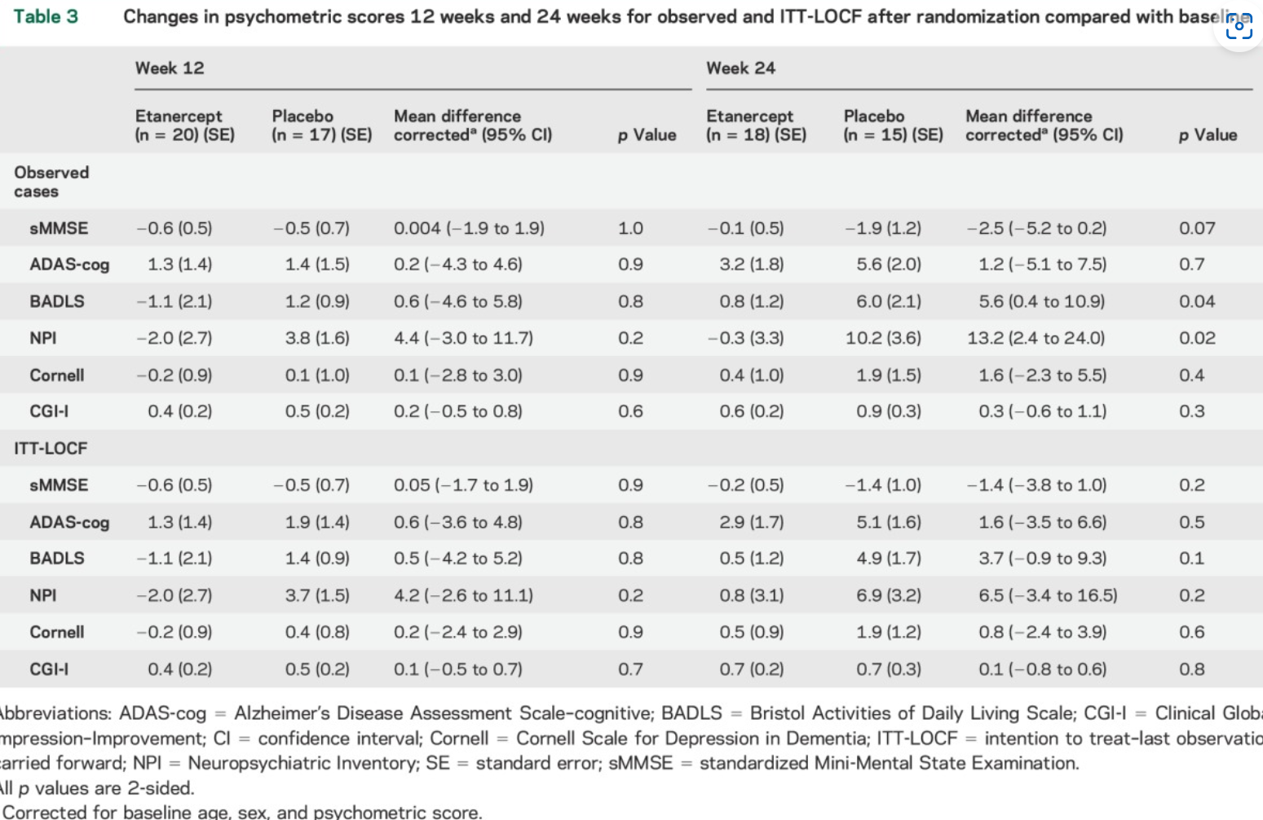
 |  | Results

 | Indirect TNF inhibitors/Inflammation hypothesis refutals

 | neflamapimod - p38alpha MAPK inhibitor - In microglia, the enzyme stimulates release of pro-inflammatory cytokines such as TNFα and IL-1β

 |  | Phase 2 randomized, double-blind, placebo-controlled Study of neflamapimod in mild Alzheimer's Disease n=161 NCT03402659
 |  | No significant differences between treatment groups were observed in the primary or secondary clinical endpoints
 |  | p=0.564 Primary Endpoint HVLT-R (Total and Delayed Recall on the Hopkins Verbal Learning Test - Revised)
 |  | p=0.806 Secondary Endpoint CDR-SB (Clinical Dementia Rating Scale - Sum of Boxes)
 |  | p=0.489 Secondary Endpoint MMSE (Mini-Mental State Examination)

 | prednisone - glucocorticoid - suppress virtually every step of the inflammatory cascade, including cytokine production (i.e. TNFalpha), leukocyte trafficking, and expression of inflammatory enzymes

 |  | Phase 2 randomized, double-blind, placebo-controlled Study of prednisone in mild-to-moderate Alzheimer's Disease n=138 NCT00000178
 |  | The primary outcome measure (ADAS-cog at week 52) was obtained for 50/69 subjects in the prednisone group, and 58/69 in the placebo group
 |  | ADAS-Cog prednisone +8.2 vs placebo +6.3 (p=0.16, prednisone group did worse than placebo group)
 |  | CDR-SB prednisone +2.9 vs placebo +2.2 (p=0.07, prednisone group did worse than placebo group)

 | bezisterim - NF-κB inhibitor - is a family of transcription factor protein complexes that controls transcription of DNA, cytokine production and cell survival

 |  | Phase 3 randomized, double-blind, placebo-controlled Study of bezisterim/NE3107 in mild-to-moderate Alzheimer's Disease n=439 - NCT04669028
 |  | p=0.2278 Co-Primary Endpoint CDR-SB
 |  | p=0.7212 Co-Primary Endpoint ADAS-Cog12
 |  | p=0.3181 Co-Primary Endpoint MMSE

 | AL002 - TREM2 agonist - receptor regulating microglial survival and function - overactivated microglia release pro-inflammatory cytokines (TNF-alpha, IL-1Beta, …)

 |  | Phase 2 randomized, double-blind, placebo-controlled Study (INVOKE-2) of AL002 in early Alzheimer's Disease n=381 NCT04592874
 |  | Treatment with AL002 resulted in sustained target engagement and pharmacodynamic responses indicative of microglial activation
 |  | However, AL002 failed to meet the primary endpoint of slowing of Alzheimer’s clinical progression as measured by the Clinical Dementia Rating Sum of Boxes (CDR®-SB),
 |  | and there were no treatment effects that favored AL002 on secondary clinical and functional endpoints

Pre-Clinical
Main
 | Pre-Clinical Study of XPro1595 in Mice | 4. Inhibition of soluble tumour necrosis factor is therapeutic in experimental autoimmune encephalomyelitis and promotes axon preservation and remyelination - PMC
 | Female C57BL/6 mice 2- to 4-months-old were obtained from Jackson Laboratories
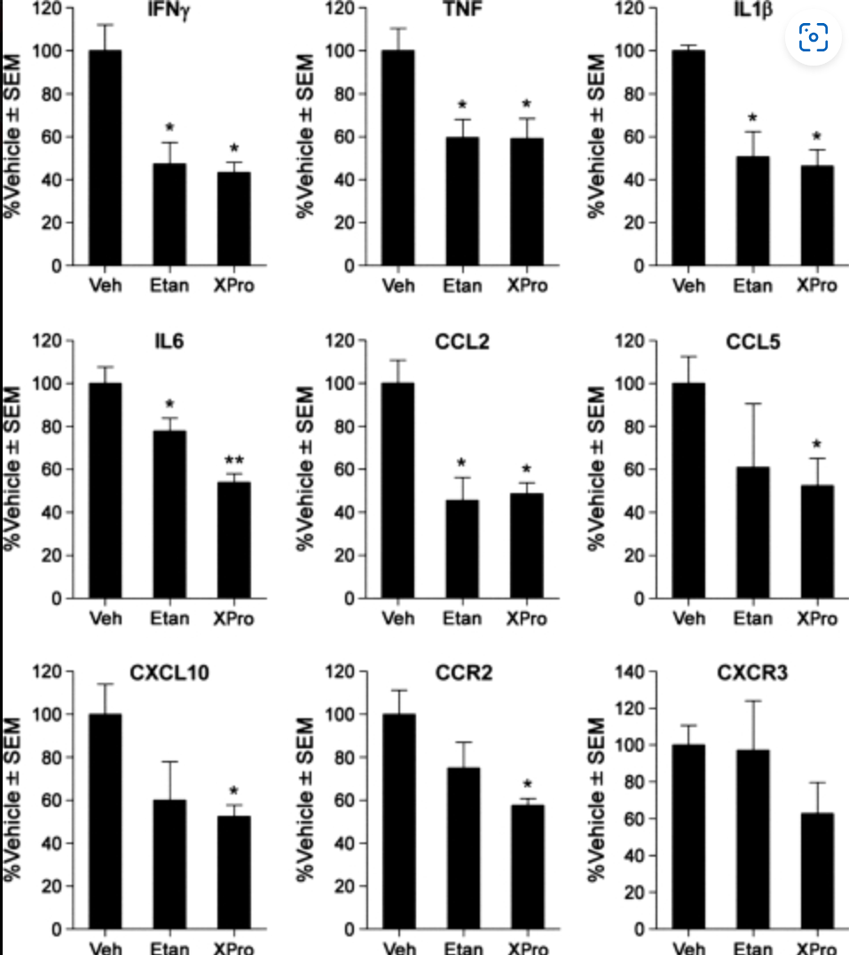
 |  |  |  |  | Roberta Brambilla, Jessica Jopek Ashbaugh, Roberta Magliozzi, Anna Dellarole, Shaffiat Karmally,
 |  |  |  |  | David E Szymkowski, John R Bethea

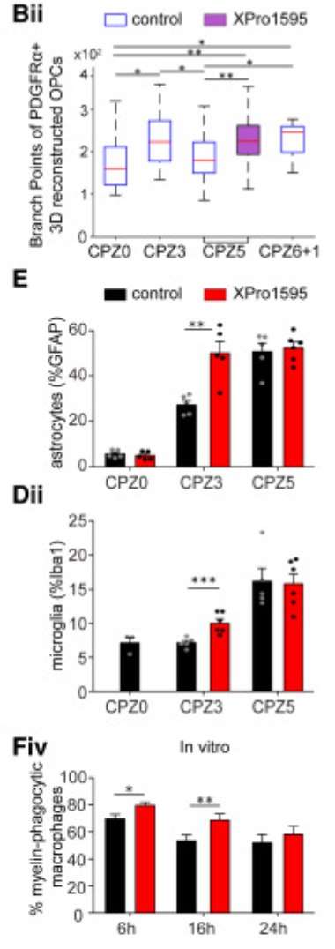
 | Pre-Clinical Study of XPro1595 in Cuprizone model of GM demyelination |  |  |  | 5. Microglia regulate cortical remyelination via TNFR1-dependent phenotypic polarization: Cell Reports
 | Female C57BL/6 mice 2- to 4-months-old were obtained from Jackson Laboratories
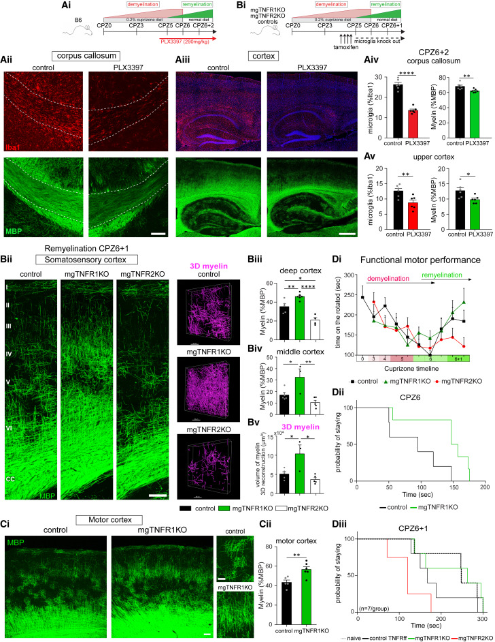

 |  |  |  |  |  | Athena Boutou1 ∙ Ilias Roufagalas ∙ Katerina Politopoulou ∙ Spyros Tastsoglou ∙ Maya Abouzeid4
 |  |  |  |  |  | Giorgos Skoufos ∙ Laia Verdu de Juan ∙ Jeong Hun Ko ∙ Vasiliki Kyrargyri
 |  |  |  |  |  | Artemis G. Hatzigeorgiou ∙ Christopher J. Barnum ∙ Raymond J. Tesi ∙ Jan Bauer
 |  |  |  |  |  | Hans Lassmann ∙ Michael R. Johnson ∙ Lesley Probert

 | Pre-Clinical Study of XPro1595 in 6-0HDA hemiparkinsonian rats |  |  | Peripheral administration of the selective inhibitor of soluble Tumor Necrosis Factor (TNF) XPro®1595 attenuates nigral cell loss and glial activation in 6-OHDA hemiparkinsonian rats - PMC
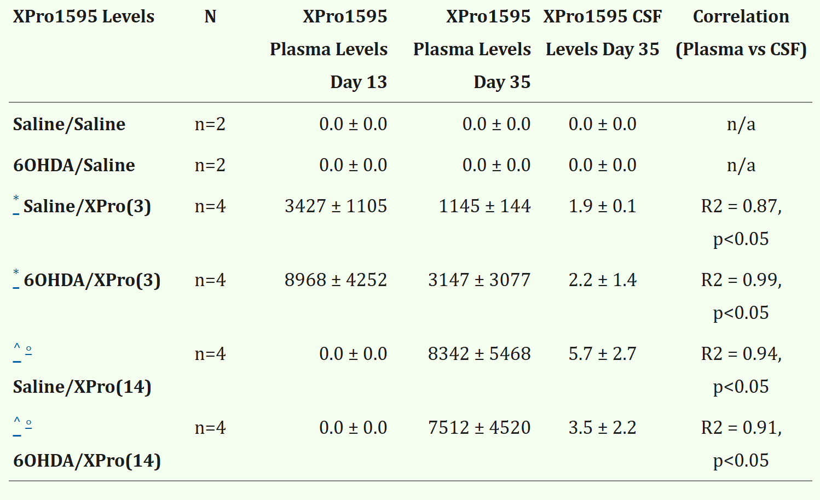

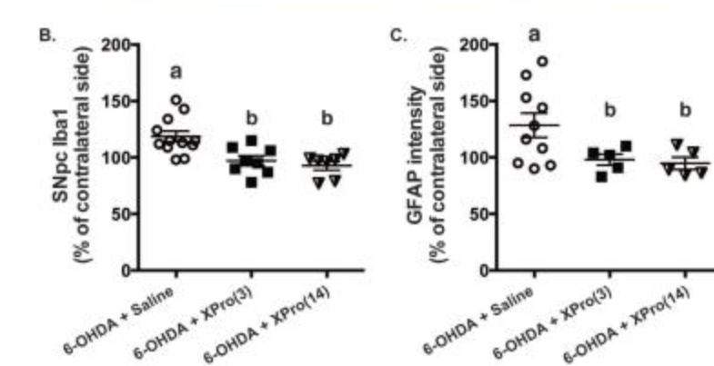

 |  |  |  |  |  |  |  | Christopher J Barnum, Xi Chen, Jaegwon Chung, Jianjun Chang,
 |  |  |  |  |  |  |  | Martha Williams, Nelly Grigoryan, Raymond J Tesi, Malú G Tansey

 | Pre-Clinical Study of XPro1595 in 5xFAD mice |  | Peripheral administration of the soluble TNF inhibitor XPro1595 modifies brain immune cell profiles, decreases beta-amyloid plaque load, and rescues impaired long-term potentiation in 5xFAD mice - PMC

 | Kathryn P MacPherson a, Pradoldej Sompol b, George T Kannarkat a, Jianjun Chang a, Lindsey Sniffen a, Mary E Wildner a, Christopher M Norris b, Malú G Tansey

 | Pre-Clinical Study of XPro1595 vs Etanercept vs Vehicle following moderate Spinal Cord Injury in mice |  |  |  |  |  | Central but not systemic administration of XPro1595 is therapeutic following moderate spinal cord injury in mice - PMC
 | Central but not systemic administration of XPro1595 is therapeutic following moderate spinal cord injury in mice

 | Hans G Novrup, Valerie Bracchi-Ricard, Ditte G Ellman, Jerome Ricard, Anjana Jain, Erik Runko, Lise Lyck, Minna Yli-Karjanmaa,
 | David E Szymkowski, Damien D Pearse, Kate L Lambertsen, John R Bethea

 | Pre-Clinical Study of XPro1595 vs Vehicle in Acute-pancreatitis-induced C57Bl/6J mice by administering cerulein

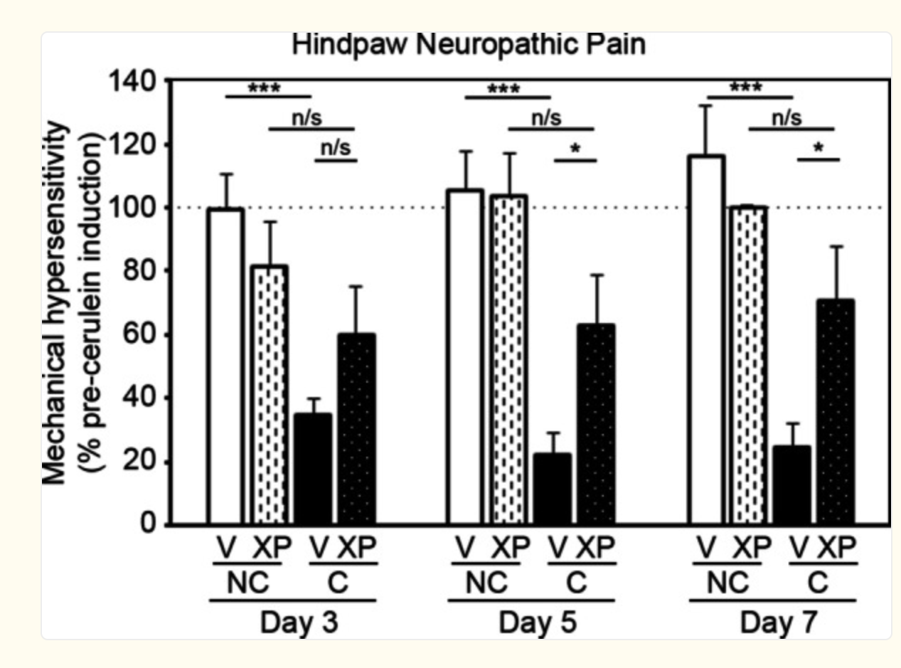
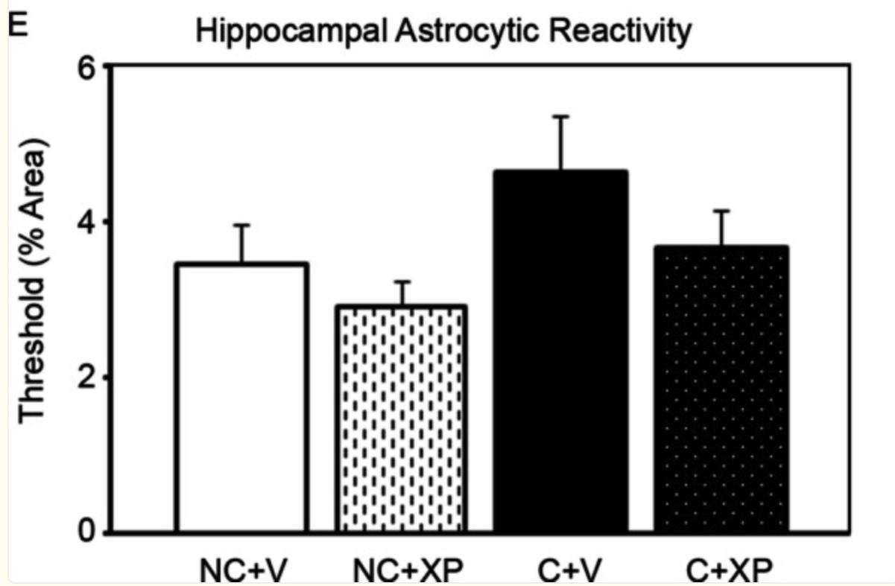

 | etanercept works in Alzheimer's Disease pre-clinical models
 | Etanercept Attenuates Traumatic Brain Injury in Rats by Reducing Brain TNF-α Contents and by Stimulating Newly Formed Neurogenesis - PMC
 | Effects of systemic Thalidomide and intracerebroventricular Etanercept and Infliximab administration in a Streptozotocin induced dementia model in rats - PubMed
 | Etanercept Reduces Neuron Injury and Neuroinflammation via Inactivating c-Jun N-terminal Kinase and Nuclear Factor-κB Pathways in Alzheimer's Disease: An In Vitro and In Vivo Investigation - PubMed

TNF
Main
 | Mechanism of Action: Soluble Tumor Necrosis Factor

 | Multiple pathways inhibit TNF (unselectively) |  |  | source: Tumor Necrosis Factor - Methods and Protocols
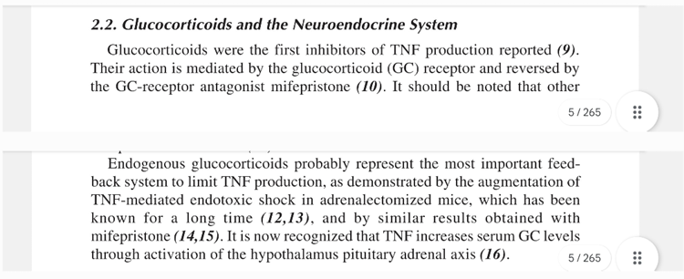

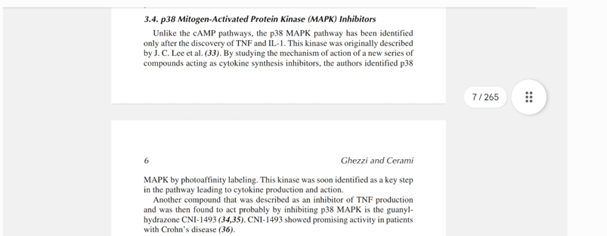

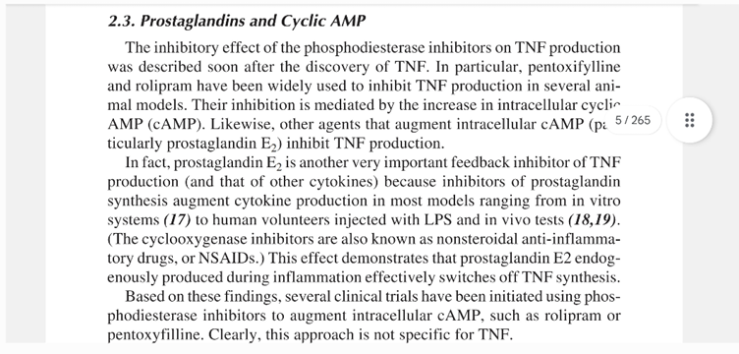

 | list of indirect and direct TNF-inhibitors that failed:
 | - neflamapimod (p38alpha MAPK) |  | It is active in whole blood, suppressing IL-1β and TNF-α production (IC50 = 150 & 180 nM, respectively) |  |  | Neflamapimod - an overview | ScienceDirect Topics
 | - prednisone (glucocorticoid) |  | A randomized controlled trial of prednisone in Alzheimer’s disease | Neurology
 | - etanercept (TNFalpha inhibition) |  | Study Details | Safety and Tolerability of Etanercept in Alzheimer's Disease | ClinicalTrials.gov
 | - bezisterim (NF-κB inhibitor) |  | The majority (62%) of 13 MCI/mild AD patients had decreased plasma TNF levels with a mean change of −0.55 pg/mL. |  |  |  | Alzheimer’s disease and neuroinflammation: will new drugs in clinical trials pave the way to a multi-target therapy? - PMC
 |  | The majority (62%) of 13 MCI/mild AD patients had decreased plasma TNF levels with a mean change of −0.55 pg/mL. |  |  | Alzheimer’s disease and neuroinflammation: will new drugs in clinical trials pave the way to a multi-target therapy? - PMC

 | Soluble TNF vs Transmembrane TNF significance for Alzheimer's Disease
 | ??? Hogwash

